GUI CGI SPEC
Xmind
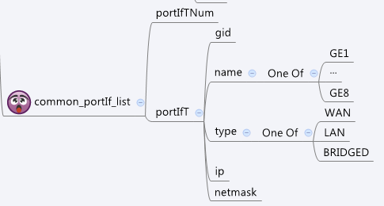

Behavior
# Limitations: Max portIf Table Size = 8

[UI Display Name] | [CGI Name] | [JSON Name] | [Description]
N/A | common_portIf_list.cgi | guiPortIfTNum | int
guiPortIfT:
N/A | common_portIf_list.cgi | guiPortIfT.gid | int, unique id of zone object
N/A | common_portIf_list.cgi | guiPortIfT.name | GE1~GE8
N/A | common_portIf_list.cgi | guiPortIfT.type | 0: LAN 1:WAN, 2: Bridged
N/A | common_portIf_list.cgi | guiPortIfT.ip | ip address of this port. It might be empty if no ip configured for the port
N/A | common_portIf_list.cgi | guiPortIfT.netmask | netmask of the port

JSON String
common_portIf_list.cgi
## GET for get previous settings ##
{ "guiPortIfTNum": 8, "guiPortIfT": [ { "gid": 720896, "name": "GE1", "type": 1, "ip": "", "netmask": "" }, { "gid": 720897, "name": "GE2", "type": 2, "ip": "", "netmask": "" }, { "gid": 720898, "name": "GE3", "type": 2, "ip": "", "netmask": "" }, { "gid": 720899, "name": "GE4", "type": 2, "ip": "", "netmask": "" }, { "gid": 720900, "name": "GE5", "type": 2, "ip": "", "netmask": "" }, { "gid": 720901, "name": "GE6", "type": 2, "ip": "", "netmask": "" }, { "gid": 720902, "name": "GE7", "type": 2, "ip": "", "netmask": "" }, { "gid": 720903, "name": "GE8", "type": 0, "ip": "192.168.31.1", "netmask": "255.255.255.0" } ] }
## NO POST Method

